2022 Volunteer Expense Report
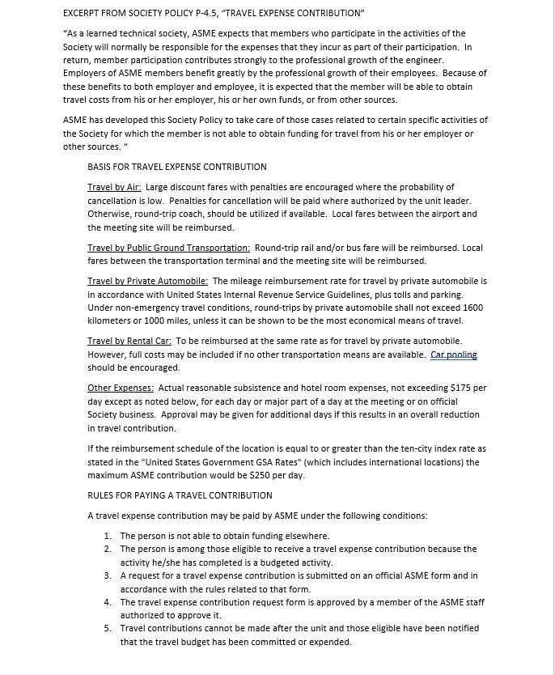
 |  |  | VOLUNTEER TRAVEL EXPENSE CONTRIBUTION

 | Mail or FAX to: |  |  |  | Name
Your ASME Staff Support: |  |  |  |  | Address
NAME:
 |  |  |  |  | City/State/Zip

 |  |  |  |  | ASME MEMBER #

Date of Request __________
 |  |  |  |  |  |  |  | Position(s) Held

Meeting |  |  | Location |  |  |  |  | Dates

Submit request within two weeks after the event. |  |  |  |  |  |  |  |  | (Shaded portion for staff use)
 |  |  |  |  |  |  |  |  |  | Staff Approval
TRANSPORTATION EXPENSES: |  |  | All receipts must be submitted |  |  |  |  | REQUEST
1 | Transportation (attach Tickets) air, bus, rail |  |  |  |  |  |  | $-
2 | Limosine & Taxi to/from airports, bus terminal, RR station |  |  |  |  |  |  | $-
3 | Actual personal/rental auto mileage |  |  | - | x | $0.585 | cents | $-
 | Over 1000 miles per round trip Maximum $585 under non-emergency travel |  |  |  |  |  |  | $-
4 | Tolls |  |  | plus Parking |  |  |  | $-
5 | Total Transportation Expense ReimbursementRequest (Lines 1+2+3+4) |  |  |  |  |  |  |  | $-

OUT OF POCKET EXPENSES
6 | Hotel (Attach Receipt) |  |  |  |  |  |  | $-
7 | Gratuities |  |  |  |  |  |  | $-
8 | Other (Registration Fee) |  |  |  |  |  |  | $-
9 | SUBTOTAL OUT OF POCKET EXPENSE |  |  |  |  |  |  | $-
10 | Meals |  |  |  |  |  |  | $-
11 | TOTAL OUT OF POCKET EXPENSES |  |  |  |  |  |  |  | $-
 | A Receipt must be attached for each separate expenditure of $25.00 or more
 | Total # Days Authorized for ASME Business

 | AUTHORIZED MEETING(S) |  | DATE |  | REPRESENTING |  |  | # DAYS

12 | Total Number of days authorized for ASME Business |  |  |  |  |  |  | 0
13 | Out -Pocket-Reimbursement Request
 | Lesser of line 11 or line 12 x Applicable Amount ($175 or $250)

 |  | Total Volunteer Reimbursement Requested** |  |  |  |  |  |  | $-
 |  |  |  |  | **Subject to limitations as indicated
 | I hereby certify that the above meetings were attended by me as the official representative
 | authorized in the ASME Travel Policy, and that my employer has declined to provide the
 | requested travel expense reimbursement.

 | Signature |  |  |  |  |  | Date

 | For Use by ASME Only |  | Staff Approval |  | Account # |  |  |  | Amount
 | Non Meal Exp 5702
 | Meal Expenses 5704

 |  |  |  |  |  |  |  | Total Reimbursement |  | $-
 | Audited by:
 |  |  |  | Policy 4.5 Section:

